Bug Report
Category | Label | Value
Bug ID | ID number | ESP002
 | Name | Eshop: Registering with Wrong Password
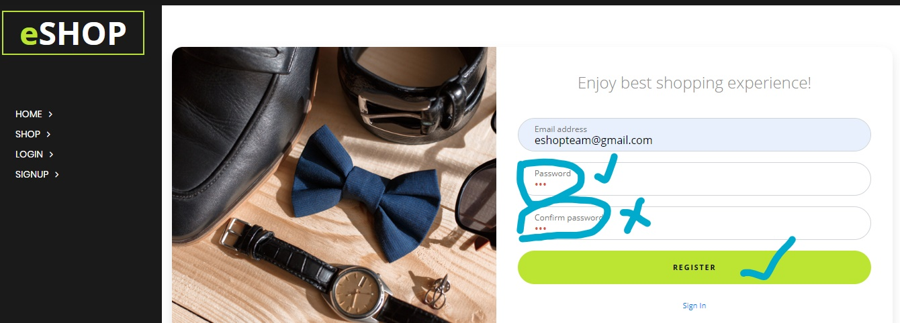
 | Reporter | Nagaraju Vusirikayala From Team5
 | Submit Date | 2020-05-25
Bug overview | Summary | While Registering an account, the user should be register with valid email and to set valid Password but here the user enter one password and then enter different password at confirm password . It registering.
 | URL | file:///C:/Users/admin/Desktop/eshop/eshop/signup.html
 | Screenshot | file:///C:/Users/admin/Desktop/eshop/eshop/signup.html
Environment | Platform | Macintosh,Windows
 | Operating System | OS Build 14393.69**,123564,1287.***
 | Browser | Chrome,Edge,Safari.
Bug details | Steps to reproduce | Sign up to Eshop:<mail,password,Confirm Password>,if the user wants to register an account in to eshop site while registering user wants to enter Password and then Confirm Password then it will be registered. If the user enter different Password at confirm password ,then it alerts valid Password.
 | Expected result | I have to log in to My gmail Account.
 | Actual result | It dosen't open in to the Account ,it Back to the google.com
 | Description | if user can entering the details on registering an account while entering the user types wrong passwod it will alerts
Bug tracking | Severity | Major
 | Assigned to | Bug tracking with Selinium
 | Priority | High
Notes | Notes | It considered as error in different fields ,Such as 1.Coding error 2.Hardware problem 3.Server problem

